Sheet1
PROVINCIAL FISH PRODUCTION AND EXTENSION PROGRAM REPORT
Date of Submission: JUNE 05, 2026
Province: MISAMIS ORIENTAL
Month & Year: MAY 2026
A. MUNICIPAL FISHERIES (Marine & Inland)
Municipality/ City |  | Fishing Gear/Paraphernalia | Actual Number of fisherfolk with fishing activity | Range/Average of Fishing days |  | Species (Local Name/English Name) |  | Production for the Month (kg) |  | Production for the Month (kg) |  |  |  |  |  |  |  | Remarks
NON BFAR ASSISTED

SUMALAG |  | Bottom set gill net | 3 | 2 |  | tamban |  |  | 51
 |  |  | 2 | 2 |  | kutob |  |  | 15
 |  |  | 2 | 1 |  | kabalyas |  |  | 15
 |  | SQUID JIGGER | 8 | 15 |  | nukos |  |  | 235
 |  | MHL (Bundak) | 1 | 1 |  | mol-mol |  |  | 3
POBLACION |  | SQUID JIGGER | 4 | 3 |  | nukos |  |  | 74
 |  |  | 2 | 1 |  | nukos |  |  | 16
 |  | MHL ( Palayao) | 3 | 1 |  | sari-sari |  |  | 41
 |  |  | 4 | 6 |  | kutob |  |  | 65
 |  |  | 6 | 6 |  | kabalyas |  |  | 21
 |  | Bottom set gill net | 2 | 8 |  | tulingan |  |  | 10
 |  |  | 6 | 4 |  | tamban |  |  | 118
BOLISONG |  | HOOK & LINE (pasol) | 4 | 2 |  | sari |  |  | 45
 |  |  | 4 | 1 |  | kutob |  |  | 16
 |  |  | 2 | 1 |  | tamban |  |  | 5
 |  |  | 2 | 1 |  | kabalyas |  |  | 2
PANABOL |  | Bottom set gill net | 2 | 1 |  | maya-maya |  |  | 7
 |  |  | 2 | 1 |  | bagis |  |  | 4
 |  |  |  |  |  | molmol |  |  | 9
 |  |  | 2 | 1 |  | kabalyas |  |  | 45
 |  |  | 2 | 1 |  | danggit |  |  | 7
 |  |  | 2 | 1 |  | lapu-lapu |  |  | 1
 |  |  | 2 | 2 |  | bilason |  |  | 15
 |  |  | 2 | 1 |  | baksawan |  |  | 2
 |  |  | 2 | 1 |  | tulingan |  |  | 10
 |  |  | 2 | 2 |  | sari |  |  | 19
 |  |  | 2 | 1 |  | tamban |  |  | 6
 |  |  | 2 | 1 |  | katambak |  |  | 5
 |  | SQUID JIGGER | 4 | 4 |  | nukos |  |  | 40
 |  | MHL (Bundak) | 1 | 1 |  | budbud |  |  | 5
 |  |  | 1 | 1 |  | mamsa |  |  | 4
 |  |  | 1 | 1 |  | migatan |  |  | 2
 |  |  | 1 | 1 |  | solinaw |  |  | 2
 |  |  | 1 | 1 |  | pantaan |  |  | 3
 |  |  | 1 | 1 |  | lanhoan |  |  | 2
 |  |  | 1 | 1 |  | baga-baga |  |  | 2
 |  |  | 1 | 1 |  | lapis |  |  | 1
 |  |  | 1 | 1 |  | baksawan |  |  | 1
 |  |  | 2 | 1 |  | lunab |  |  | 3
ESPERANZA |  | Bottom set gill net | 10 | 15 |  | bansi |  |  | 537
 |  |  | 7 | 4 |  | kutob |  |  | 65
 |  |  | 2 | 2 |  | aha-an |  |  | 9
 |  |  | 4 | 1 |  | dugso |  |  | 12
 |  |  | 3 | 2 |  | lapu-lapu |  |  | 18
 |  | HOOK & LINE (pasol) | 3 | 1 |  | lunab |  |  | 10
 |  |  | 2 | 1 |  | habasan |  |  | 7
 |  |  | 2 | 2 |  | bagis |  |  | 5
 |  |  | 4 | 6 |  | balo |  |  | 26
BUKO |  | SQUID JIGGER | 8 | 5 |  | nukos |  |  | 81
 |  | HOOK & LINE Pasol, Sibot, | 2 | 1 |  | balo |  |  | 5
 |  |  | 1 | 1 |  | samin-samin |  |  | 8
 |  |  | 1 | 1 |  | badlon |  |  | 3
 |  |  | 2 | 1 |  | kubutan |  |  | 6
 |  | Bottom set gill net | 2 | 2 |  | pakol |  |  | 6
 |  |  | 2 | 3 |  | maya-maya |  |  | 3
 |  |  | 2 | 2 |  | lapu-lapu |  |  | 2
 |  |  | 4 | 1 |  | katambak |  |  | 13
 |  |  | 3 | 1 |  | dugso |  |  | 1
 |  |  | 2 | 1 |  | mangsa |  |  | 1
 |  |  | 2 | 3 |  | sari |  |  | 6
 |  |  | 2 | 1 |  | suno |  |  | 3
 |  |  | 2 | 1 |  | molmol |  |  | 2
TOTAL |  |  |  |  |  |  |  | 1,732
BFAR ASSISTED (fish caught from fishing gear interventions)
SUMALAG |  | SQUID JIGGER | 2 | 3 |  | nucos |  | 58
 |  | Bottom set gill net | 3 | 2 |  | kutob |  | 15
BOLISONG |  | SQUID JIGGER | 2 | 2 |  | nucos |  | 16
TOTAL |  |  |  |  |  |  |  | 89
GRANDTOTAL |  |  |  |  |  |  |  | 1,821

B. AQUACULTURE (Aquafarms and Hatcheries)
Name of Project (site the year in the comments) |  |  | Name of Beneficiary |  |  | Date of Harvest | ABW (kg) | Biomass (kg) |  |  | Total Production (kg) | Farmgate Price (Php) | Total Fish Sold (Php) | Total Harvest (pc) | SR (%) | FCR (%) | Total Fish Value (Php)
 |  |  | First Name | Middle Name | Surname |  |  | Consumed | Sold | Remaining
BFAR ASSISTED
Aquaculture Regular Projects

 |  |  |  |  |  |  |  |  |  |  |  |  |  | 0

Technodemo

SAAD

Community-based Satellite Hatchery

TOTAL

Municipality/ City | Type of Aquafarm | Culture Environment |  |  | Type of Culture | Species (EN) | Production for the Month (kg/pcs) | Farmgate Price (Php) (Range/Average) | Remarks
 |  | Freshwater (ha) | Brackishwater (ha) | Marine water (ha)
NON-BFAR ASSISTED (harvest from private operators based in the aquafarm inventory)

TOTAL
GRANDTOTAL

C. POST-HARVEST FISHERIES
C.1. COMMUNITY FISH LANDING CENTER (fish landed in the CFLCs)
Municipality/ City | Status (Operational / Non-opeartional) | Monthly Income | Species (English Name) | Production for the Month (kg) | Remarks (specify other activities, etc.)

C.2. VALUE-ADDED PRODUCTS
Municipality/ City |  |  |  |  |  |  | Processor
 |  | English Name of Raw Material | Packaging Type (Vaccum, Poly Sealed, Bottled) | Source of Raw Materials |  |  | Name of Processor | Address of Processor |  |  | Contact Details of Processor |  | Produce for the Month (Kg) | Product Sold for the Month (kg) | Product Value (Php) | Existing Market (Pls Specify)
BFAR ASSISTED

TOTAL
NON-BFAR ASSISTED

TOTAL
GRAND TOTAL

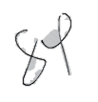
D. FISHERIES EXTENSION PROGRAM
D1. Trainings Conducted
BFAR ASSISTED

NON-BFAR ASSISTED

D2. Municipal/City FARMC
Municipality/ City | Date of (re)organization | Number of meeting(s) conducted | Title of other activities conducted | Title of recommended fishing policies | Status (drafted, lobbied to SB/P, approved, etc) | Fishing policies

D3. Fisheries Organization (FO)
Municipality/ City | Name of FO | Number of meeting(s) conducted | Title of other activities conducted

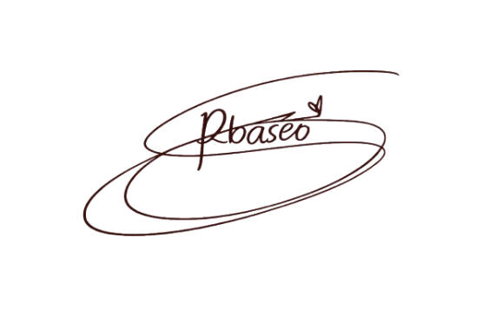
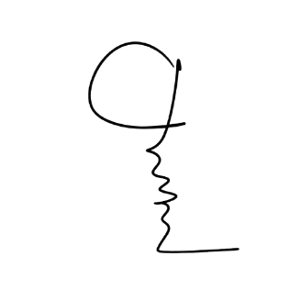

Prepared by: |  |  | Approved by: |  |  | Reviewed and validated by: |  |  | Certified true and correct by:

ROSELLE S. BASEO |  |  | JESS M. ALONG
Fisheries Extension Worker |  |  | MUNICIPAL AGRICULTURIST |  |  |  |  |  | PFO
 |  |  |  |  |  |  | DFT

 |  |  |  |  |  |  | DFT

 |  |  |  |  |  |  | DFT

 |  |  |  |  |  |  | DFT

